Script
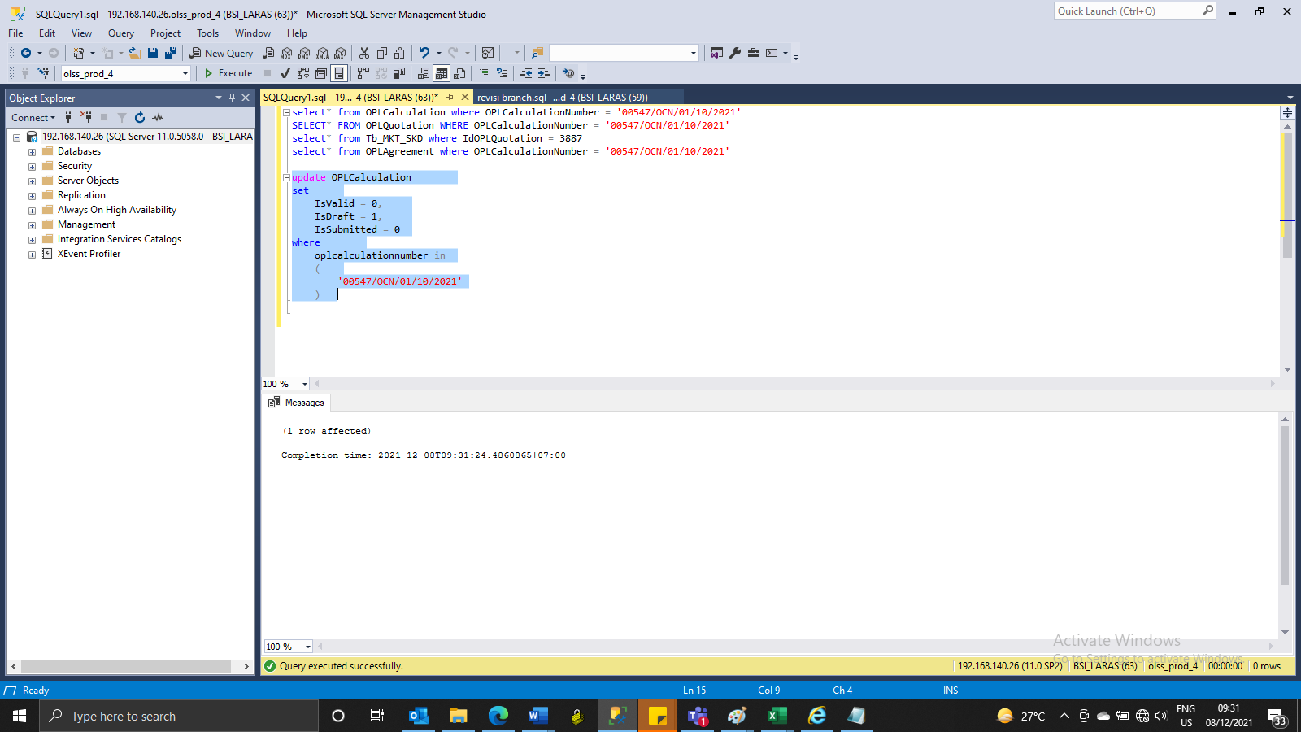
update OPLCalculation
set
 | IsValid = 0,
 | IsDraft = 1,
 | IsSubmitted = 0
where
 | oplcalculationnumber in
 | (
 |  | '00547/OCN/01/10/2021'
 | )

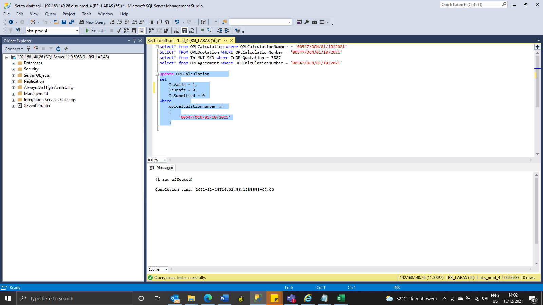
update OPLCalculation
set
 | IsValid = 1,
 | IsDraft = 0,
 | IsSubmitted = 0
where
 | oplcalculationnumber in
 | (
 |  | '00547/OCN/01/10/2021'
 | )

Screenshot
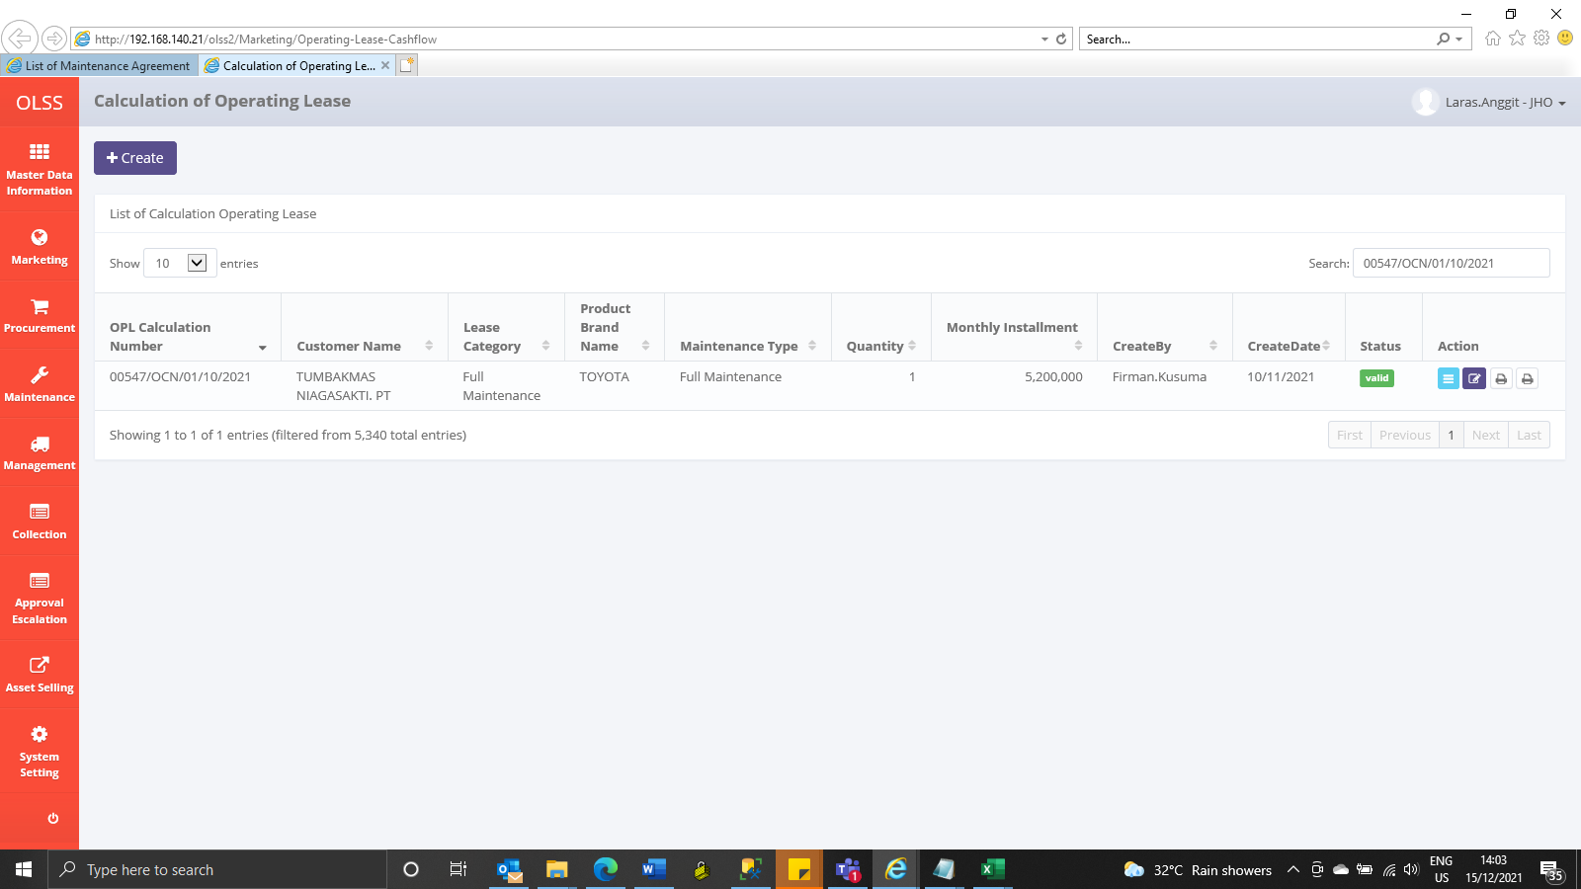
BEFORE
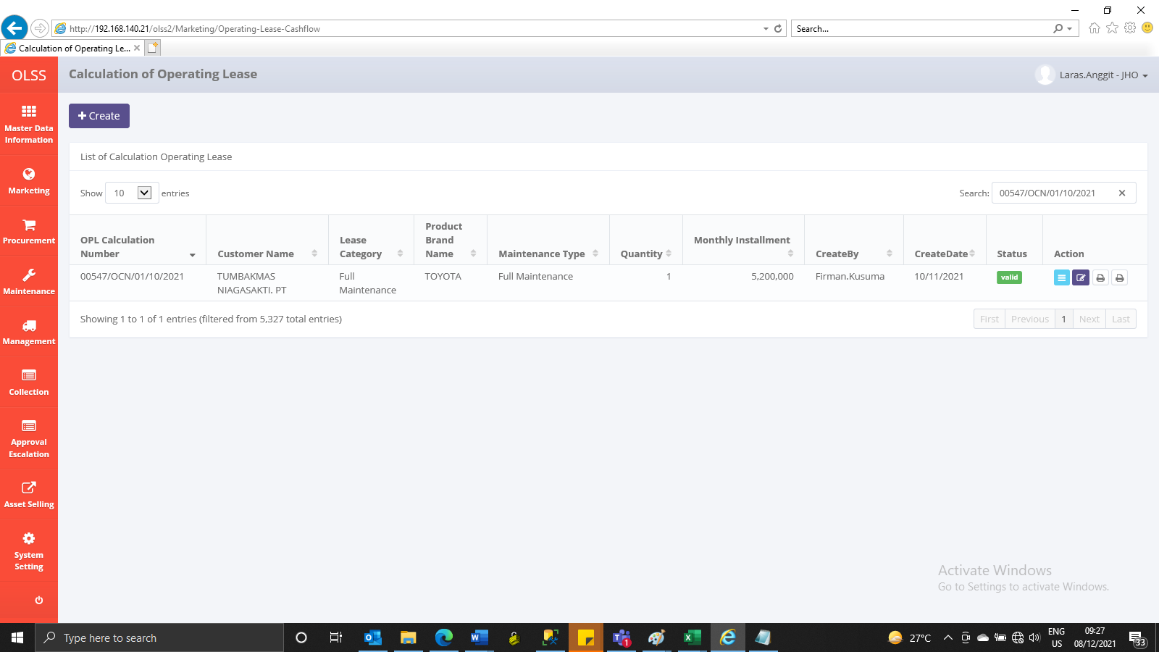

AFTER

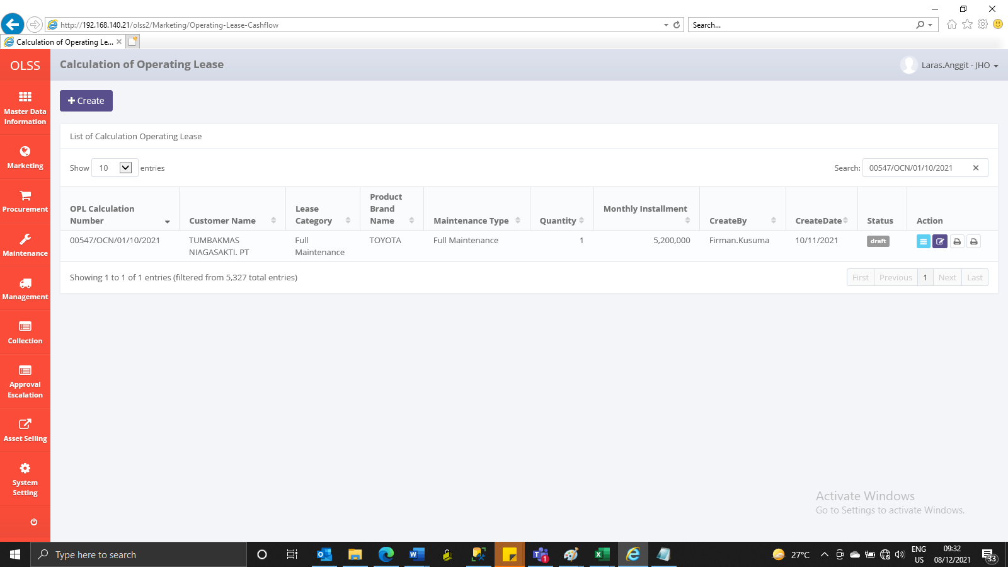

SET TO VALID
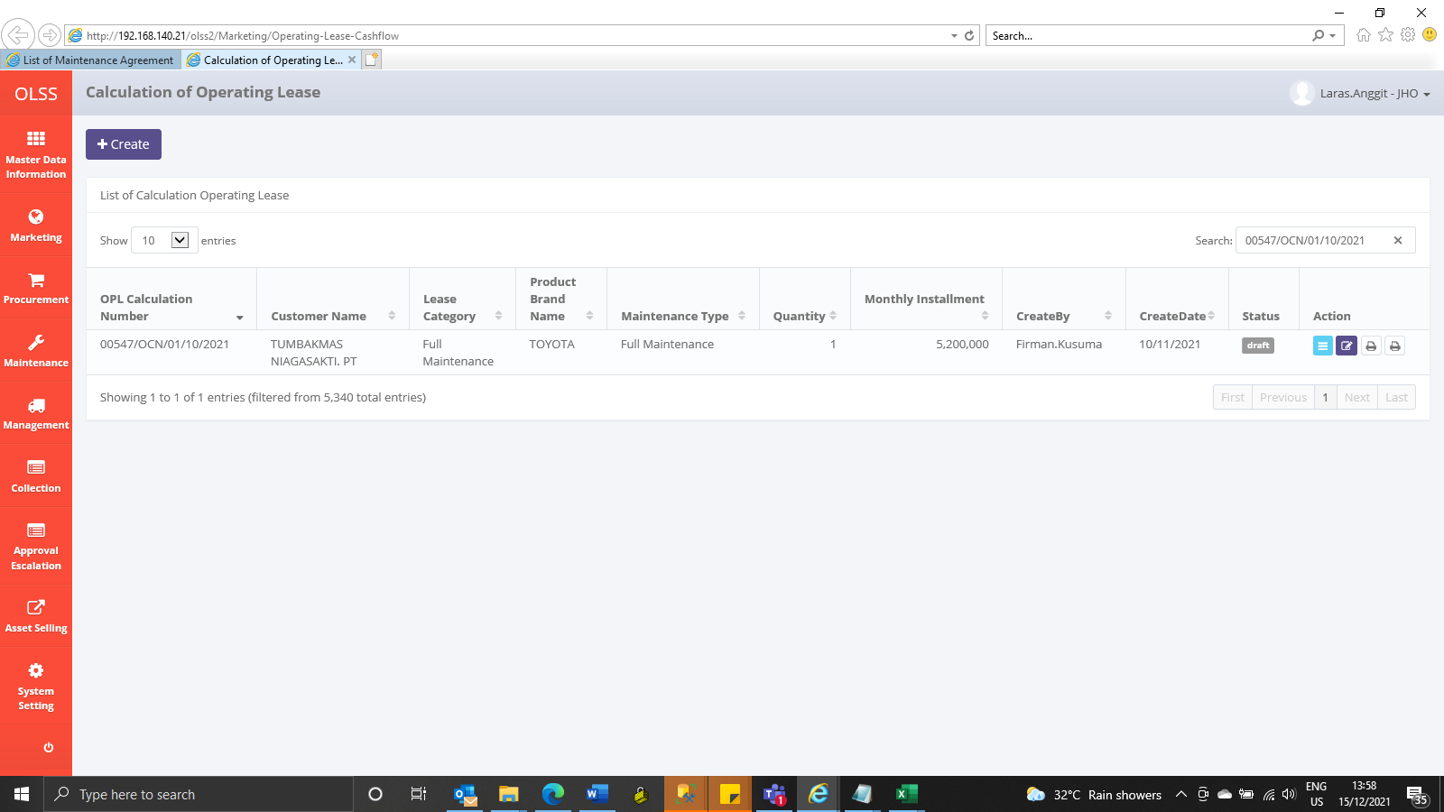

AFTER

